Sheet1
PLANT NAME | PLANT IMAGE | AVERAGE HYDRATED COLOR | AVERAGE DEHYDRATED COLOR | RGB CODE |  |  | DISTANCE USED
CABBAGE | 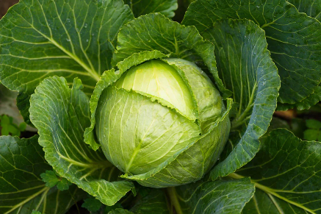 |  |  | HYDRATED |  |  | HYDRATED | 5243

 |  |  |  | 74 | 102 | 35

 |  |  |  | DEHYDRATED |  |  | DEHYDRATED | -----

 |  |  |  | 99 | 120 | 92
 |  |  |  |  |  |  | HYDRATED

 |  |  |  |  |  |  | DEHYDRATED | -----

 |  |  |  |  |  |  | HYDRATED

 |  |  |  |  |  |  | DEHYDRATED | -----

 |  |  |  |  |  |  | HYDRATED

 |  |  |  |  |  |  | DEHYDRATED | -----

 |  |  |  |  |  |  | HYDRATED

 |  |  |  |  |  |  | DEHYDRATED | -----

 |  |  |  |  |  |  | HYDRATED

 |  |  |  |  |  |  | DEHYDRATED | -----

 |  |  |  |  |  |  | HYDRATED

 |  |  |  |  |  |  | DEHYDRATED | -----

 |  |  |  |  |  |  | HYDRATED

 |  |  |  |  |  |  | DEHYDRATED | -----

 |  |  |  |  |  |  | HYDRATED

 |  |  |  |  |  |  | DEHYDRATED | -----

 |  |  |  |  |  |  | HYDRATED

 |  |  |  |  |  |  | DEHYDRATED | -----

